Take
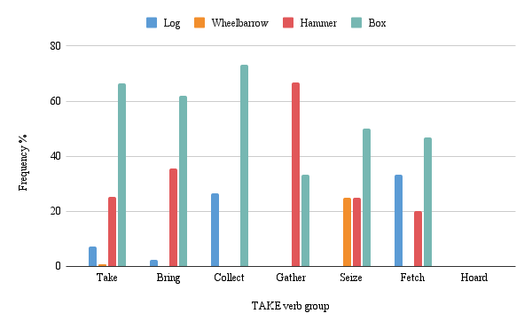
Noun | Take | Bring | Collect | Gather | Seize | Fetch | Hoard |  | Noun | Take | Bring | Collect | Gather | Seize | Fetch | Hoard
Log | 1 | 1 | 11 | 9 | 1 | 5 | 2 | 30 | Log | 6.25 | 5.882352941 | 64.70588235 | 52.94117647 | 6.25 | 29.41176471 | 11.76470588
Wheelbarrow | 1 | 6 | 3 | 5 | 3 | 7 | 6 | 31 | Wheelbarrow | 6.25 | 35.29411765 | 17.64705882 | 29.41176471 | 18.75 | 41.17647059 | 35.29411765
Hammer | 8 | 5 | 1 | 0 | 4 | 2 | 5 | 25 | Hammer | 50 | 29.41176471 | 5.882352941 | 0 | 25 | 11.76470588 | 29.41176471
Box | 6 | 5 | 2 | 3 | 8 | 3 | 4 | 31 | Box | 37.5 | 29.41176471 | 11.76470588 | 17.64705882 | 50 | 17.64705882 | 23.52941176
Total | 16 | 17 | 17 | 17 | 16 | 17 | 17 | 117 | Grand Total | 100 | 100 | 100 | 100 | 100 | 100 | 100
Grand Total | 32 | 34 | 34 | 34 | 32 | 34 | 34

